SCANNING (NMAP)
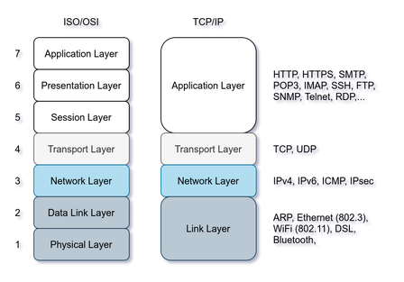
WHAT IS IT |  |  |  |  |  | HOW TO SCAN
 |  |  |  |  |  |  |  |  |  | TCP | TCP CONNECT SCAN (SYN/ACK) (unprivileged)
 | nmap |  | nmap -iL list_of_hosts.txt |  |  |  |  |  |  |  | -sT | RST as soon as connected
 |  |  | nmap -snL TARGETS |  | CHECK LIST OF TARGETS WITHOUT SCANNING
 |  |  |  |  |  |  |  |  |  |  | TCP SYN SCAN (SYN) (privileged)
 | USING ARP | privileged user local network > ARP Request |  |  |  |  |  |  |  |  | -sS | RST before connection (quieter)
 | local network | privileged user remote network > ICMP, TCP ACK, TCP SYN
 |  | unprivileged user > TCP 3 way handshake |  |  |  |  |  |  |  | UDP | We can combine UDP + TCP packets
 |  |  |  |  |  |  |  |  |  | slower | -sU | UDP to open port : no response
 |  |  | nmap -PR | ONLY ARP SCAN (same network) |  |  |  |  |  |  |  | UDP to closed port : unreachable, host exists!
 |  |  | nmap -sn | NO PORT SCANNING
 |  |  |  |  |  |  |  |  |  | Performance | -F | fast (100 ports instead of 1000)
 |  |  |  |  |  |  |  |  |  |  | -p22,80 | -p10-23 | specifies port
 |  | arp-scan --localnet <--> arp-scan --l |  |  |  |  |  |  |  |  | -p- | all 64k ports
 |  | sudo arp-scan -I eth0 -l |  | with 'i' interface |  |  |  |  |  |  | -T0 | paranoid | 1 port / 5 min
 |  |  |  |  |  |  |  |  |  |  | -T1 | sneaky | often used pentesting
 |  |  |  |  |  |  |  |  |  |  | -T2 | polite
 | USING ICMP | nmap -PE -sn | ONLY ICMP ECHO + NO PORT SCAN |  |  |  |  |  |  |  | -T3 | normal | default
 | remote network | nmap -PP -sn | if echo is blocked, try TIMESTAMPS (+no port scan) |  |  |  |  |  |  |  | -T4 | agressive
 |  | nmap -PM -sn | if timestamps blocked, use adress mask query |  |  |  |  |  |  |  | -T5 | insane
 |  |  |  |  |  |  |  |  |  |  | --max-rate=10 | max 10 packets /s

 | USING TCP | 3 WAY HANDSHAKE FOR UNPRIVILEGED USERS: |  |  |  |  | PORT SCANNING |  | nmap has 6 port states | OPEN | server listening
 |  | SYN (flag default 80) |  | -> | ... |  |  |  |  | CLOSED | no server listening but port still exists
 |  | ... |  | <- | ! SYN / ACK |  |  |  |  | FILTERED | nor open nor closed, NOT accessible (firewall ?)
 |  | ! ACK |  | -> |  |  |  |  |  | UNFILTERED | nor open nor closed, but accessible
 |  |  |  | ... |  |  |  |  |  | OPEN / FILTERED |  | nmap cant decide
 |  | ACK |  |  | RST |  |  |  |  | CLOSED / FILTERED |  | nmap cant decide
 |  |  |  |  |  |  |  |  |  | --reason | option to know which flags gave the reason for "open" ports
 |  | nmap -PS[PORT] -sn |  | USE non-privileged user TCP SYN + NO PORT SCAN |  |  |  |  |  | -v OR -vv | verbose, or very verbose respectively
 |  |  |  |  |  |  |  |  |  | -d OR -dd | more than -vv, it's debugging details, or even more debugging details
 |  | SYN with flag set for PRIVILEGED USERS: |  |  |  |  | TCP HEADER | 24 bytes |  |  |  |  | FLAGS
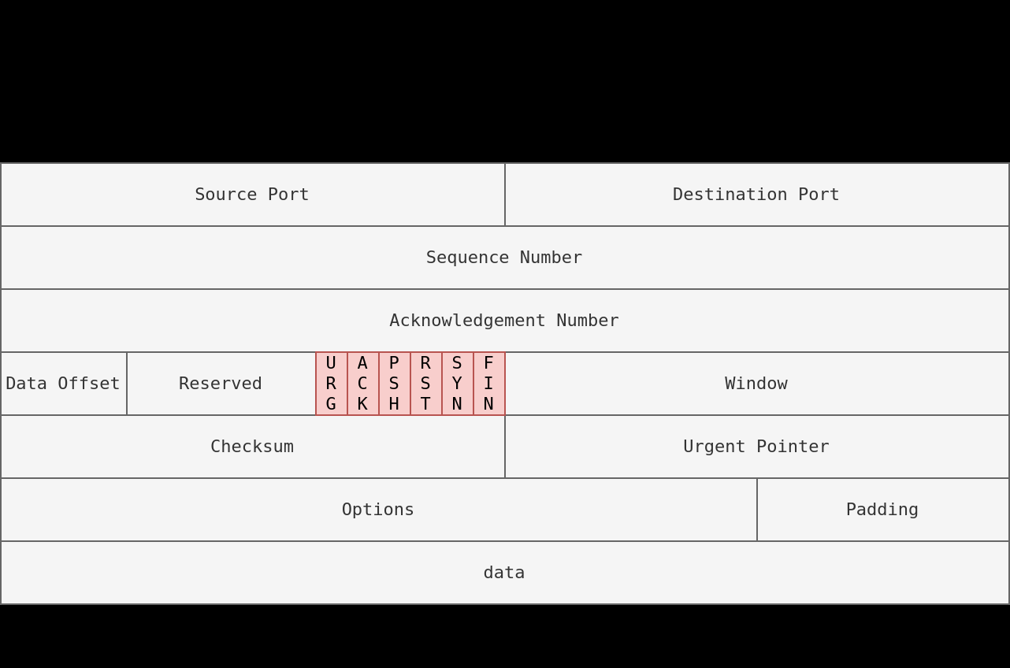
 |  | nmap -PA[PORT] -sn |  | USE privileged user TCP ACK + NO PORT SCAN
 |  |  |  |  |  |  |  |  |  |  |  |  | URG | urgent dont wait previously sent
 |  |  |  |  |  |  |  |  |  |  |  |  | ACK | aknowledge receipt
 | USING UDP | UDP packet > Supposed no reply. BUT IF CLOSED UDP PORT, we get error, so system is up |  |  |  |  |  |  |  |  |  |  | PSH | push ask to pass data
 |  | nmap -PU -sn |  | UDP packets + NO PORT SCAN |  |  |  |  |  |  |  |  | RST | reset the connection
 |  |  |  |  |  |  |  |  |  |  |  |  | SYN | initiate 3 way handshake, synchronize sequence numbers
 |  |  |  |  |  |  |  |  |  |  |  |  | FIN | sender has no more data to send

 | bonus: masscan aggressive scanning

ADVANCED SCANNING
 |  | command | name |  |  |  | flags set | comments
 | NMAP | -sN | NULL scan | no reply : OPEN or FILTERED |  | reply (rst, ack) : CLOSED | none | NOT CERTAIN OF BEING OPENED (can be blocked by firewall) |  |  | Why use them ?
 |  | -sF | FIN scan | no reply : OPEN or FILTERED |  | reply (rst, ack) : CLOSED | FIN |  |  |  | Stateless system, test if firewalls handle SYN, or FIN detection
 |  | -sX | XMAS scan | no reply : OPEN or FILTERED |  | reply (rst, ack) : CLOSED | FIN,PSH,URG |  |  |  | Depends on the case. Sometimes firewalls blocks every crafted scans we saw

 | deprecated | -sM | MAIMON scan

 |  | -sA | ACK scan | no firewall > no response. |  | firewall > response ! | ACK | ACK says "I received the message", you don't send it without context |  |  | Discover rule set of firewall |  | But we dont know if services listening
 |  | -sW | WINDOW scan | no firewall > no response. |  | firewall > response ! | ACK | Reads different part of the RST response |  |  | Works on some specific systems. Shows "closed" but are opened

 |  | --scanflags | CUSTOM scan | --scanflags FINPSHURG = XMAS scan
 |  | --reason | adds which flags are the reason the port is "open"

IP / MAC spoofing |  | -S SPOOFED_IP MACHINE_IP |  |  | only works if we are sure to receive packets, we can monitor the network
 |  | -D | DECOYS | nmap -D 10.10.0.1,10.10.0.2,RND,RND,ME MACHINE_IP |  |  | translates to : | decoy1 > 10.10.10.0.1 | decoy2 > 10.10.10.0.2 | random adress | random adress | MY IP | target IP
 |  |  | spoof & decoy does the same thing, but decoys goal is to hide among other fake IPs

 |  | -e | specify network interface
 |  | -Pn | no Ping scan

 |  | --spoof-mac SPOOFED_MAC |  |  | SAME SUBNET: MAC SPOOFING POSSIBLE
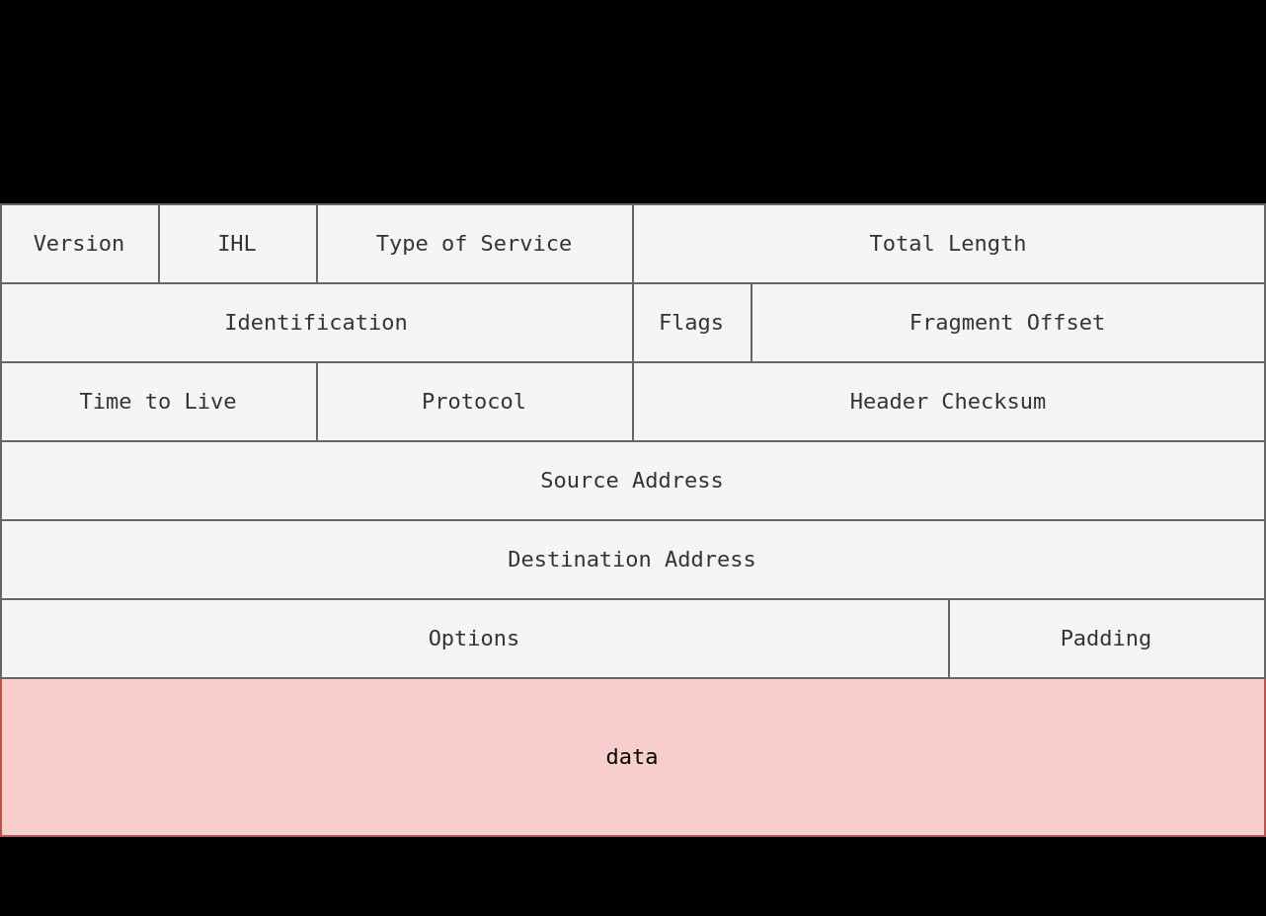

 |  | FIREWALL | Traditionnal firewall inspects at least IP Header & Transport Layer header |  |  |  | More sophisticated: checks data inside transport layer

 |  | IDS | Intrusion Detection System |  | Checks IP Header, Transport Layer header + data, for malicious patterns

 |  | attack | packet fragmentation

 | NMAP | --reason | adds with flags are the reason the port is "open"
 |  | -f | fragments of 8 bytes
 |  | -ff OR -f -f | framents of 16 bytes
 |  | --data-length NUM |  | where num = number of bytes to append to packets

 |  | -sI | Idle / Zombie scan |  | if not monitoring network, have a zombie in it to scan it for you, IT MUST NOT BE BUSY or IP IDs will change around
 |  |  | Step 1: ask zombie for IP ID
 |  |  | Step 2: Spoof your IP with zombie's IP
 |  |  | Step 3: let them communicate
 |  |  |  | scenario 1 | port closed ? Target machine answers RST to zombie, IP ID not incremented
 |  |  |  | scenario 2 | port open, target machine answers SYN ACK and zombie answers RST. IP ID incremented
 |  |  |  | scenario 3 | firewall rule, target machine doesnt send, same result as scenario 1
 |  |  | Step 4: attacker ask for zombie's IP ID |  |  | if incremented or not, then port open or not

PROTOCOLS SERVER
Connecting with telnet to observe everything

 | HTTP | connect with telnet |  | GET / HTTP/1.1 | host: anything | press enter or return twice | ATTACKS
 | cleartext |  |  |  |  |  | Sniffing | tcpdump |  | MITIGATE: | TLS Transport Layer Security
 |  |  |  |  |  |  |  | wireshark
 | FTP | ftp client |  |  |  |  |  | tshark
 | cleartext
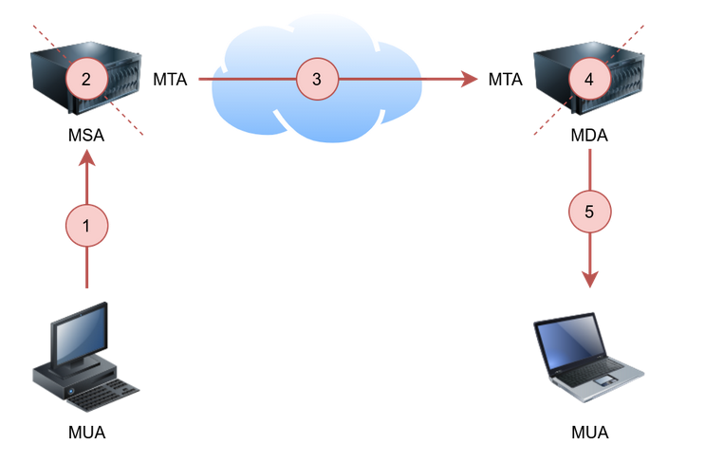
 |  |  |  |  |  |  | MITM | ettercap |  | MITIGATE: | Cryptography
 | SMTP | 1 | Mail Submission Agent (MSA) |  |  |  |  | bettercap
 | cleartext | 2 | Mail Transfer Agent (MTA)
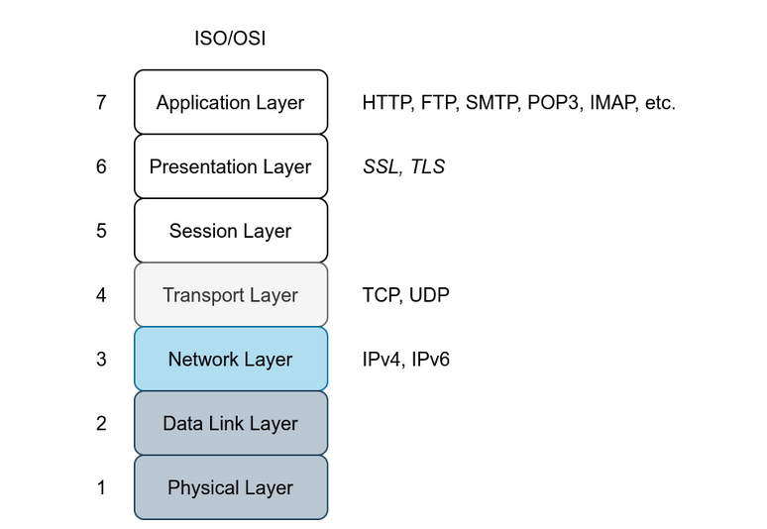
 |  | 3 | Mail Delivery Agent (MDA)
 |  | 4 | Mail User Agent (MUA) |  |  |  | SSL/TLS | TLS more secure than SSL

 |  | default port 25
 |  | 2 protocols to handle mails |  |  |  |  | Protocol | Default Port | Secured Protocol | Default Port with TLS
 |  |  |  |  |  |  | HTTP | 80 | HTTPS | 443
 |  |  |  |  |  |  | FTP | 21 | FTPS | 990
 |  |  |  |  |  |  | SMTP | 25 | SMTPS | 465
 |  |  |  |  |  |  | POP3 | 110 | POP3S | 995
 |  |  |  |  |  |  | IMAP | 143 | IMAPS | 993
 | POP3 | we can authenticate
 | cleartext | default port 110

 | IMAP | better to keep tracks of read / unread |  |  |  |  | SSH | Secure Shell | ssh server port 22
 | cleartext | better than POP3
 |  | default port 143
 |  |  |  |  |  |  | Password Attack | THC Hydra | https://github.com/vanhauser-thc/thc-hydra

 |  |  |  |  |  |  | Protocol | TCP Port | Application(s) | Data Security
 |  |  |  |  |  |  | FTP | 21 | File Transfer | Cleartext
 |  |  |  |  |  |  | FTPS | 990 | File Transfer | Encrypted
 |  |  |  |  |  |  | HTTP | 80 | Worldwide Web | Cleartext
 |  |  |  |  |  |  | HTTPS | 443 | Worldwide Web | Encrypted
 |  |  |  |  |  |  | IMAP | 143 | Email (MDA) | Cleartext
 |  |  |  |  |  |  | IMAPS | 993 | Email (MDA) | Encrypted
 |  |  |  |  |  |  | POP3 | 110 | Email (MDA) | Cleartext
 |  |  |  |  |  |  | POP3S | 995 | Email (MDA) | Encrypted
 |  |  |  |  |  |  | SFTP | 22 | File Transfer | Encrypted
 |  |  |  |  |  |  | SSH | 22 | Remote Access and File Transfer | Encrypted
 |  |  |  |  |  |  | SMTP | 25 | Email (MTA) | Cleartext
 |  |  |  |  |  |  | SMTPS | 465 | Email (MTA) | Encrypted
 |  |  |  |  |  |  | Telnet | 23 | Remote Access | Cleartext

